SM190
BIKE REF FOR ORDERS : 22-SM190D-STD |  | 2022-03-01 | BIKE NAME : SM 190D 2022
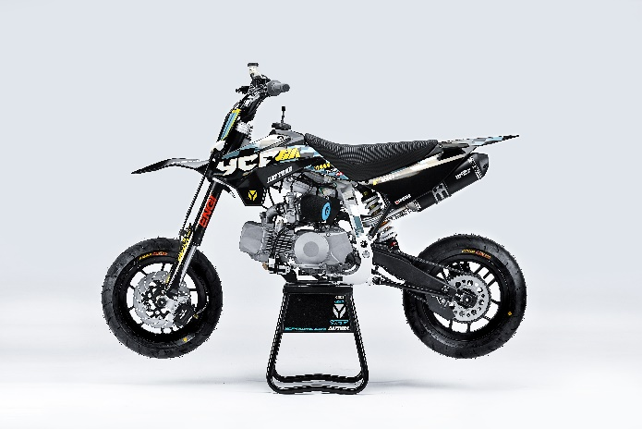 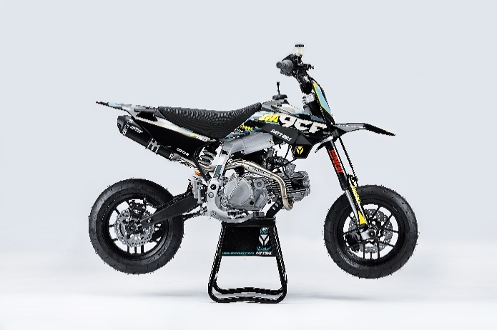

Handle bar assembly
50A = YCF50A
50E = YCF50E
W88E = START W88E
L88 = LITE88 L125 = LITE125
S88S = START F88S
S125S = START F125S
S125SE = START F125SE
S125 = STARTF125
P88 = PILOT 88
P125 = PILOT 125
P150 = PILOT 150
SM125 = START SM125S
SM150 = PILOT SM 150
SP1 = FACTORY SP1
SP2 = FACTORY SP2
SP3 = FACTORY SP3
B125 = BIGY 125MX
B150 = BIGY 150MX
BF150 = BIGY F150MX
BFD190 = BIGY FD190 MX
BFZ190 = BIGY ZE190 MX
S147 = SUNDAY 150
S187 = SUNDAY 190
N° | Ref. | Description | Français | Picture | Qty/Bike | Model
1 | GALOW-BK | Complete Aluminium Handle Bar, "LOW" shape Black L=740mm | Guidon aluminium "BAS" complet avec Mousse et Pvc L=740mm |  | 1 | SM1501822/SP22822/SM1902122
2 | YC110-0133-01BK | Complete Rubber Bar Pad for Aluminium Handlebar with Bar L=195mm BLACK | Mousse guidon caoutchouc complete pour guidon Aluminium avec Barre L=195mm NOIR |  | 1 | SP31622/BFD1901722/SM1902122
3 | YC110-0153-01 | Handle bar plastic cap | Embout plastique de guidon |  | 1 | ALL BIKES 2022
4 | YC110-0138-03 | YCF complete Throttle Assy. 2020 with YCF GREY | Poignee gaz complete YCF 2020 avec Paire de poignée YCF GRIS 2020 |  | 1 | SM1501422/SP11417/SP22420/SP31422/BF1501722/BFD1901722/BFZ1901720/S1471822/S1871822
5 | PPC011-GY | YCF set of grip GREY 2020 | Paire de poignée caoutchouc YCF GRISE 2020 |  | 1 | ALL BIKES 22
6 | YC110-0135-02 | CNC adjustable bracket with lever 2020 | Cocotte CNC reglage rapide avec levier embrayage 2020 |  | 1 | S12522/P12522/P15022/SM15022/SP222/SP322/B12520/B15022/BFD19022/BFZ19020/S14720/S18722
7 | YC110-0151-02 | Rubber on clutch lever adjustable screw 2020 | Caoutchouc levier embrayage molette reglage2020 |  | 1 | S12522/P12522/P15022/SM15022/SP222/SP322/B12520/B15022/BFD19022/BFZ19020/S14720/S18722
8 | YC110-0136-01 | Rubber on clutch lever | Caoutchouc levier embrayage |  | 1 | S1251820/P1251822/P1501820/SM1501822/SP22822/SP31820/B1251820/B1501820/BF1501819/BFD1901820/BFZ1901822/S1471822/S1871822
9 | YC110-0134-04 | Clutch bracket Assy | Cocotte embrayage complete |  | 1 | S12522/P12522/P15022/SM15022/SP222/SP322/B12520/B15022/BFD19022/BFZ19020/S14720/S18722
10 | BT08-M6x20-W | Hex.Bolt M6x20 mm for clutch lever bracket | vis M6x20 mm pour cocotte embrayage |  | 2 | ALL BIKES 22
11 | YC110-0103-07 | Clutch lever 2020 (with FB13-8x10x10.5-Cu 1EA FB13-8x10x9.4-Cu 1EA ) complete with bushings and washer | Levier embrayage 2020 (avec FB13-8x10x10.5-Cu 1EA FB13-8x10x9.4-Cu 1EA ) avec entretoises et rondelle |  | 1 | S12522/P12522/P15022/SM15022/SP222/SP322/B12520/B15022/BFD19022/BFZ19020/S14720/S18722
12 | YC110-0105-04 | Kill Switch ON/OFF daytona ANIMA engine L=710mm | Coupe circuit on off pour daytona ANIMA L=710mm |  | 1 | SP31322/BIGY190D1722
13 | YC110-0106-15 | Throttle Cable L=960mm A+B=135mm 2021 (FOR NIBBI PE28) | Cable gaz L=960mm A+B=135mm 2021 (POUR NIBBI PE28) |  | 1 | B190D22/B190ZE22/SM19022
14 | YC110-0143-01 | RUBBER ON THROTTLE CABLE | Caoutchouc protection cable de gas |  | 1 | ALL BIKES 1722
15 | YC110-01-03-BK | Cable tie L=150mm BLACK | Collier maintien cable L=150mm NOIR |  | 3 | ALL BIKES 1222
16 | YC110-01-05-WH | Cable tie L=350mm WHITE | Collier maintien cable L=350mm BLANC |  | 1 | ALL BIKES 1222
17 | YC110-0107 | Clutch Cable Assy. L=900mm A+B=93mm | Cable embrayage L=900mm A+B=93mm |  | 1 | SM1902122

Steering stem assembly
 | 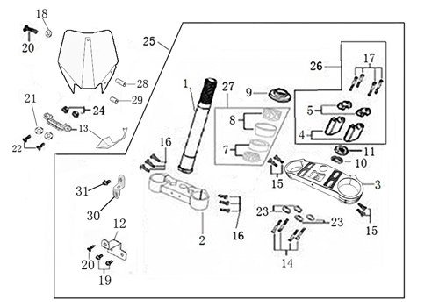
N° | Ref. | Description | Français | Picture | Qty/Bike | Model
1 | YC110-02-049-GY | Complete Triple Clamp (TOP48 / BOTTOM 48) adjustable bar mount 2022 MAT GREY | Te Fourche Complet (TE SUP. 48 / TE INF.48) pontet ajustable 2022 GRIS MAT |  | 1 | BFD1902022/SM1902122
2 | YC110-0201-03 | Steering stem L=233mm | tige colonne direction L=233mm |  | 1 | S12522/S125S1119/S125SE1522/P1251120/P1501120/SM1251222/SM1501222/SP11317/SP22322/SP31322/B1251722/B1501722/BFD1901722/BFZ1901822/S1471822/S1871822
3 | YC110-0202-54-GY | Lower triple clamp 160mm d48mm H=38mm 2020 MAT GREY | té fourche inferieur 160mm d48mm H=38mm 2020 GRIS MAT |  | 1 | BFD1902022/SM1902122
4 | YC110-0201-54-GY | Top Triple Clamp 160mm d48mm H=28mm 2022 (not adjustable)MATT GREY | té fourche supérieur 160mm d48mm H=28mm (non ajustable) 2022 GRTS MAT |  | 1 | BFD19022/SM19022
5 | YC110-0203-035 | Set of Bar mount not adjustable d22.2mm/bottom 55mm START Type BLACK （with GB70-M10x50x1.5W 2EA+BT08-M8x30-W 4EA） | jeu pontet guidon non ajustable d 22.2mm / pontet bas 55mm Type START NOIR （with GB70-M10x50x1.5W 2EA+BT08-M8x30-W 4EA） |  | 2 | W88E2022/L882022/S88SE2022/L1252022/S1252022/S125SE2022/P1252022/P1502022/SM1252022/SM1502022/SP22022/B1252022/B1502022/BFZ1902022
6 | YC110-0203-32 | 2020 Lower Bar Mount CNC START type,d22.2 H=55mm BLACK | Pontet guidon inférieur type START d22.2 H=55 mm NOIR 2020 |  | 2 | W88E2022/L882022/S88SE2022/L1252022/S1252022/S125SE2022/P1252022/P1502022/SM1252022/SM1502022/SP22022/B1252022/B1502022/BFZ1902022
7 | YC110-0201-02 | 2020 Top Bar Mout CNC d22.2 mm/height H=18mm START Type BLACK | pontet guidon supérieur 2020 d22.2mm H=18mm Type START NOIR |  | 2 | W88E2022/L882022/S88SE2022/L1252022/S1252022/S125SE2022/P1252022/P1502022/SM1252022/SM1502022/SP22022/B1252022/B1502022/BFZ1902022
8 | BT08-M6x25-W | Hex.Bolt M6x25mm for clamp (sides top and bottom) | vis M6x25mm pour tes (cotes superieur et inferieur) |  | 8 | ALL BIKES 2022
9 | BT08-M8x30-W | Hex.Bolt M8x30mm for top bar mount | vis M8x30mm pour pontet superieur |  | 4 | ALL BIKES 2022
10 | GB70-M10x50x1.5W | Hex. Bolt M10x50mm (step 1.5) for 2020 bar mounts | Vis centrale M10x50mm (pas 1.5) pour pontets 2020 |  | 2 | W88E2022/L882022/S88SE2022/L1252022/S1252022/S125SE2022/P1252022/P1502022/SM1252022/SM1502022/SP22022/B1252022/B1502022/BFZ1902022
11 | YC110-0212-07-BK | Front Number Plate complete 2014 BLACK | PLAQUE AVANT complete 2014 NOIR |  | 1 | W88E2022/L882022/S88SE2022/L1252022/S1252022/S125SE2022/P1252022/P1502022/SM1252022/SM1502022/SP22022/B1252022/B1502022/BFZ1902022
12 | BT08-M6x10-W | Exterior Hex.Bolt M6x10mm | vis couronne M6x10mm |  | 1 | ALL BIKES2022
13 | GB97-d12-W | Flat washer d12 | Rondelle d12 |  | 1 | ALL BIKES2022
14 | KRDIRECTION46 | set of bearing for steering 46/23.5、46/22 | kit rlt colonne direction 46/23.5、46/22 |  | 1 | 50A22/50E22/W88E22/S88SE22/L8822/L12522/125S1519/S125SE1522/P1251322/P1501322/SM1251320/SM1501222/SP11117/SP22022/SP31222/B1251722/B1501722/BF1501720/BFD1901722/BFZ1901720/S1471822/S1871822
15 | YC110-02-09 | Top nut for steering d54.5mm | écrou crantellé colonne direction d54.5mm |  | 1 | ALL BIKES 1222
16 | YC110-02-10 | Washer for steering stem nut d22.5mmxd37mmx0.7mm | joint colonne direction d22.5mmxd37mmx0.7mm |  | 2 | ALL BIKES 1222
17 | YC110-02-11 | Nut for steering stem M22 | écrou supérieur colonne direction M22 |  | 1 | ALL BIKES 1222
18 | YC110-0214-01-WH | Complete Break Line Retainer White（with GB9074.5-M4x10-W 1EA ） | guide durite sur plaque avant complet Blanc |  | 1 | W88E2022/L882022/S88SE2022/L1252022/S1252022/S125SE2022/P1252022/P1502022/SM1252022/SM1502022/SP22022/B1252022/B1502022/BFZ1902022
19 | GB97-d4-W | flat washer d4mm for Break Line Retainer front No plate | rondelle d4mm pour guide durite plaque No avant |  | 1 | ALL BIKES 1222
20 | GB818-M4x10-W | Plus screw M4x10mm for Break Line Retainer front No plate | vis M4x10mm pour guide durite plaque No avant |  | 1 | ALL BIKES 1222
21 | YC110-0213-10 | Front plastic plate to hold cables 75mmx100mm | Plaque avant plastique maintien cables 75mmx100mm |  | 1 | ALL BIKES 2022
22 | YC110-0213-08 | Number plate bracket | support plaque avant |  | 1 | W88E2022/L882022/S88SE2022/L1252022/S1252022/S125SE2022/P1252022/P1502022/SM1252022/SM1502022/SP22022/B1252022/B1502022/BFZ1902022
23 | GBT5787-M6x16-3 | Hex. Bolt with flanged for front plastic plate M6x16mm (spacer 3mm) | vis M6x16mm pour support plaque avant (deport 3mm ) |  | 1 | ALL BIKES 1222
24 | YC110-01-08-BK | Cable tie tie ADJUSTABLE BLACK for Front plastic plate to hold cables | Collier maintien cable AJUSTABLE NOIR pour plaque avant plastique |  | 2 | ALL BIKES 2022
25 | YC110-02-20 | Washer for steering stem nut d22mm (top)/d24mm (bottom)-d47mm | Joint pour colonne direction d22mm (haut)/d24mm (bas) -d47mm |  | 1 | W88E2022/L882022/S88SE2022/L1252022/S1252022/S125SE2022/P1252022/P1502022/SM1252022/SM1502022/SP22022/B1252022/B1502022/BFZ1902022

Front Fender

N° | Ref. | Description | Français | Picture | Qty/Bike | Model
1 | YC50-031-01-BK | Front Fender YCF50 2020 Black | Gb avant YCF50 2020 Noir |  | 1 | W88E2022/S88SE2022/L1252022/S125SE2022/S1252022/P1252022/P1502022/SM1252022/SM1502022/SP22022/SP32022
2 | GBT5787-M6x16-6 | Hex. Bolt with flanged M6x16mm (spacer 6mm) for front mudguard (bottom) | vis M6x16mm (deport 6mm) pour garde boue avant (dessous) |  | 3 | 50A1822/50E1822/W88E1822/S88SE1822/L881822/L1251822/S1251822/S125SE1822/P1251822/P1501822/SM1251822/SM1501822/SP22822/SP31822/B1251822/B1501822/BF1501722/BFD1901822/BFZ1901822
3 | GBT5787-M6x16-3 | Hex. Bolt with flanged M6x16mm front mudguard (spacer 3mm) for front mudguard (top) | vis M6x16mm garde boue avant (deport 3mm ) pour garde boue avant (dessus) |  | 2 | 50A1822/50E1822/W88E1822/S88SE1822/L881822/L1251822/S1251822/S125SE1822/P1251822/P1501822/SM1251822/SM1501822/SP22822/SP31822/B1251822/B1501822/BF1501722/BFD1901822/BFZ1901822

Front & Rear absorber

N° | Ref. | Description | Français | Picture | Qty/Bike | Model
1 | ENGI1-735-BK | Pair of fork ENGI L=735mm (Adjustable) BROWN - SILVER 2022 | Jeu de fourche L=735mm BROWN - SILVER 2022 |  | 1 | P12522/P15022/SM15022/SM19022
2 | YC110-0404-35 | Shock absorber 310mmx1000lbs | Amortisseur 310mmx1000lbs |  | 1 | SM1501222
3 | PFYCF12-BK | YCF 735 set of fork protection L=285mm 2012 black | Jeu protection fourche YCF 735 noir L=285mm |  | 1 | P1251622/P1501622/SM1501622/SP11622/SP21622/SP31622/B1251722/B1501722/BF1501722/BFD1901722/BFZ1901722
4 | GB5787-M12x45-W | Hex. Bolt with flanged M12x45mm for shock absorber fixation top and bottom | vis M12x45mm pour fixation amortisseur haut et bas |  | 2 | W88E1822/S88SE1420/L8822/L1251622/125S1519/S125SE1522/P1251420/P1501420/SM1251420/SM1501422/SP11420/SP22420/SP31422/B1251722/B1501722/BF1501722/BFD1901722/BFZ1901720/S1471822/S1871822
5 | GB6187-M12-W | Self-locking Nut M12 for shock absorber fixation screw | écrou M12 pour vis fixation amortisseur |  | 2 | W88E1822/S88SE1420/L8822/L1251622/125S1519/S125SE1522/P1251420/P1501420/SM1251420/SM1501422/SP11420/SP22420/SP31422/B1251722/B1501722/BF1501722/BFD1901722/BFZ1901720/S1471822/S1871822
6 | GBT5787-M6x14-5 | Screw with flange M6x14mm (spacer 5 mm) for fork plastic protection | Vis avec epaulement M6x14mm (deport 5 mm ) pour Jeu protection plastique de fourche |  | 6 | W88E1822/S88SE1820/S12522/S125SE1820/P1251822/P1501820/SM1251820/SM1501822/SP22822/SP31820/B1251820/B1501820/BF1501722/BFD1901820/BFZ1901822
7 | YC110-0403-05 | Complete Oil steel line retainer on left front fork | Passe durite complet sur protection fourche gauche |  | 1 | W88E22/S88SE22/L8822/L12522/S125SE20/P12522/P15022/SM12522/SM15022/SP222/SP322/B12520/B15022/BFD19022/BFZ19020/S14720/S18722
8 | BT08-M6x20-W | Hex.Bolt M6x20 mm for oil steel line retainer | vis M6x20 mm pour passe durite |  | 2 | W88E22/S88SE22/L8822/L12522/S125SE20/P12522/P15022/SM12522/SM15022/SP222/SP322/B12520/B15022/BFD19022/BFZ19020/S14720/S18722
9 | GB6170-M6-W | Nut M6 for oil steel line retainer on left front fork | Ecrou M6 pour sur protection fourche gauche |  | 2 | W88E1822/S88S1416/S88SE1420/L8822/L1251622/S125S1519/S125SE1522/P1251420/P1501420/SM1251420/SM1501422/SP11420/SP22420/SP31422/B1251722/B1501722/BF1501720/BFD1901722/BFZ1901720/S1471822/S1871822
...
N° | Ref. | Description | Français | Picture | Qty/Bike | Model
12 | YC110-0506-01 | Front Brake pads 2014 | JEU PLAQUETTE FREIN AVANT RADIAL 2014 |  | 2 | S125S1519/S125SE1522/S12522/P1251420/P1501420/SM1251420/SM1501420/B1251722/B1501722
13 | YC110-0518 | Front brake reservoir protection L=70mm | Cache Aluminium Frein Radial Avant |  | 1 | SM19022
14 | GB70.2-M6x12 | Socket head cap screw M6X12 | vis disque frein M6X12 protege maitre cylindre 2 |  | 2 | SM19022
15 | GB93-d6 | Standard spring washer d6 | rondelle d6 protege maitre cylindre 2 |  | 2 | SM19022
16 | YC110-0501-0327 | Front brake steel line L=1170mm d10mm/d10mm BLACK 2020 | Durite frein avant L=1170mm d10mm/d10mm NOIR 2020 |  | 1 | SP31622/BIGY1720/SM190
17 | BT08-M6x25-W | Hex. Bolt e M6x25mm | vis M6x25mm |  | 2 | ALL BIKES 1222 (BUT50A)
18 | YC110-0555 | caliper screw for front brake L=50mm Army green | vis plaquette frein avant L=50mm |  | 2 | ALL BIKES 1222 (BUT50A/F88s/F88se)
19 | YC110-0515-01 | rubber for brake lever | caoutchouc levier frein avant |  | 1 | W88E1822/S88SE1420/P1251420/P1501420/SM1251420/SM1501422/SP22420/SP31422/B1251722/B1501722/BFD1901722/BFZ1901822

Front Wheel Assy
 | 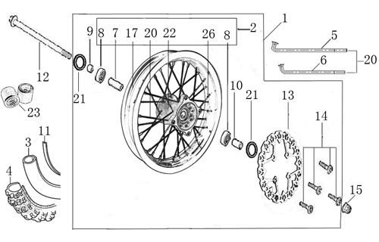
N° | Ref. | Description | Français | Picture | Qty/Bike | Model
1 | YC110-0602-09-BK | YCF supermoto wheel Front 2.15x12' 2020 BLACK （without disk ) | Roue 2.15x12' avant 2020 NOIR YCF （sans disque） |  | 1 | SM12522/SM15022/SM19022
2 | TR413 | Inner tube valve Copper | Vanne à tube interne Cuivre |  | 1 | SM12522/SM15022/SM19022
3 | 110/70-12K702 | CARSLBAD Front tyre 110/70-12' KD | pneu 110/70-12' CARLSPAD KD |  | 1 | SM1251520/SM1502222/SM19022
4 | YC110-30 | Teflon SM | Tampon teflon pour axe avant / arriere SM |  | 2 | SM1252022/SM1502022/SM19022
5 | BT08-M6x20-W | Hex.Bolt M6x20mm for teflon pas fixation | Vis M6x20mm pour fixation tampon teflon |  | 2 | SM12522/SM15022
6 | FB13-15x22x19-W | Front wheel spacer right d15mmxd22mmx19mm | Entretoise roue avant droite d15mmxd22mmx19mm |  | 1 | SM15022
7 | YC110-06-044 | Front wheel spacer lift d15mmxd22mmx28mm | Entretoise roue avant gauched15mmx22mmx28mm |  | 1 | SM15022
8 | YC110-06-062 | Front Axle L=215mm with holes with Self-locking nut M14 for SM bikes | axe de roue avant L=215mm perces avec ecrou M14 pour supermoto |  | 1 | SM1251320/SM1501222
9 | YC110-0613-01-BK | Front disk d220mm 2020 Black | disque frein avant d220mm 2020 Noir |  | 1 | W88E22/S88SE22/L1251622/S125S1619/S1251620/S125SE1620/P1251620/P1501622/SP11617/SP22620/SP31622/SM1251622/SM1501622/B1251722/B1501722/BFD1901722/BFZ1901822
...
N° | Ref. | Description | Français | Picture | Qty/Bike | Model
9 | BT08-M6x20-W | Exterior Hex.Bolt M6x20mm for inlet pipe fixation (on engine) | vis M6x20mm pour fixation pipe admission (sur moteur) |  | 2 | ALL BIKES 22
10 | 46758 | RUBBER MANIFOLD SET（with YC50-0803 1EA+YC110-2029 1EA+GB70-M6x30-W 2EA） | Manchon pipe admission Daytona |  | 1 | SP31622/BFD1901722/BFZ1901822/S1871822
11 | YC110-2030 | RUBBER MANIFOLD SET PE28 | Manchon pipe admission Daytona PE28 |  | 1 | SP31622/BFD1901722/BFZ1901822/S1871822
12 | YC110-2029 | YCF carburettor paper gasket | joint papier carburateur |  | 1 | SP31622/BIGY190ZE1722
13 | YC50-0803 | Holding ring d21mm-d44mm | collier FILTRE d21mm-d44mm |  | 1 | SP31622/BIGY190ZE1722
14 | BT08-M6x30-W | Hex.Bolt M6x30mm for inlet pipe fixation (on engine) | vis M6x30mm pour fixation pipe admission (sur moteur) |  | 2 | ALL BIKES 2022
15 | GB6170-M6-W | Nut M6 for inlet pipe fixation (on engine) | Ecrou M6 pour fixation pipe admission (sur moteur) |  | 2 | ALL BIKES 1122
16 | KS3 | YCF Complete SM Kit 3 | KIT BOCAL RECUPERATEUR YCF |  | 1 | SM1251222/SM1501222

Foot Peg assy
 |  | 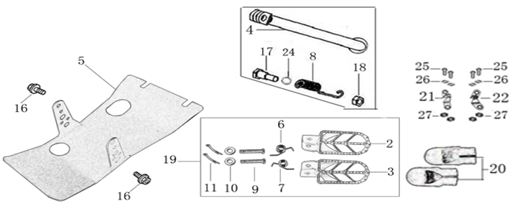
N° | Ref. | Description | Français | Picture | Qty/Bike | Model
1 | YC110-0902/06 | Set of Steel foot pegs for supermoto SHORT | jeu repose pied court pour supermoto |  | 1 | SM1252022/SM1502022
2 | YC110-09-01 | Spring for right steel foot peg d1.5mmxd16.5mmx10mm | ressort repose pied droit acier d1.5mmxd16.5mmx10mm |  | 1 | 50A1222/50W1622/W88E1822/S88SE1522/L881722/L1251622/S1251522/S125S1522/S125SE1522/P1251322/P1501222/SM1251222/SM1501222/B1251722/B150172
3 | YC110-09-02 | Spring for left steel foot peg d1.5mmxd16.5mmx10mm | ressort repose pied gauche acier d1.5mmxd16.5mmx10mm |  | 1 | 50A1222/50W1622/W88E1822/S88SE1522/L881722/L1251622/S1251522/S125S1522/S125SE1522/P1251322/P1501222/SM1251222/SM1501222/B1251722/B1501722
4 | GB882-d8x43-W | shaft pin for steel footpegs d8mmx43mm | axe repose pied acier d8mmx43mm |  | 2 | P1252022/P15015020/SM1502022/B1251722/B1501722
5 | GB97-d8-W | flat washer for shaft pin for steel footpegs d8mmxd16mmx1mm | rondelle pour axe repose pied acier d8mmxd16mmx1mm |  | 2 | ALL BIKES 1122
6 | GB91-d2x25-W | Cotter pin for shaft pin for steel footpegs d2.0mmx25mm | goupille pour axe repose pied acier d2.0mmx25mm |  | 2 | ALL BIKES 1322
7 | YC110-0904-08 | Kick stand L=300mm | Bequille L=300mm |  | 1 | L12522/SM12522/SM15022
8 | FB02-M10x1.5x30I | Stepped screw M10x35mm for kick stand (step 1.5) | vis bequille M10x35mm (pas1.5) |  | 1 | 50A1422/50E1622/W88E1822/S88SE1522/L881722/L1251622/S1251422/S125S1422/S125SE1522/P1251422/P1501422/SM1251422/SM1501422/B1251722/B1501722/BF1501722/BFD1901722/BFZ1901822/S1471922/S1871822
9 | GB6172-M10-G | Hex. Nut M10 (step 1.5) | ecrou bequille M10 (pasl1.5) |  | 1 | ALL BIKES1421(BUTSP1/SP2/SP3)
10 | GB93-d10-W | Standard spring washer for kick stand d10mm | rondelle pour bequille d10mm |  | 1 | 50A1420/50E1620/W88E1822/S88SE1520/L881722/L1251622/S12522/S125S1419/S125SE1522/P1251420/P1501420/SM1251420/SM1501422/B1251722/B1501722/BF1501722/BFD1901722/BFZ1901822/S1471920/S1871822
11 | YC110-19-01 | spring for kick stand d2.5mmxd15mmx105mm | ressort bequille d2.5mmxd15mmx105mm |  | 1 | 50A1420/50E1620/W88E1822/S88SE1520/L881722/L1251622/S125S1419/S25SE1520/P1251420/P1501420/SM1251420/SM1501422/B1251722/B1501722/BF1501722/BFD1901722/BFZ1901822/S1471920/S1871822
12 | YC110-207-05 | YCF Engine skid plate Steel SPIII Black | NEW SABOT ACIER FACTORY SPIII Noir |  | 1 | SM1602122
13 | BT08-M6x30-W | Hex.Bolt M6x30mm for skidplate / engine fixation | vis M6x30mm pour fixation sabot/moteur |  | 1 | ALL BIKES 22
14 | BT08-M8x25-W | Hex.Bolt M8x25mm for skidplate / engine fixation (bottom) | vis M8x25mm pour fixation sabot/moteur (dessous) |  | 4 | ALL BIKES 22
15 | YC110-0920-01 | Footpegs protection | TAMPON TEFLON REPOSE PIED |  | 2 | SM1251222/SM1501222
16 | YC110-01-05-BK | Cable tie L=350mm BLACK | colier maintien cable L=350mm NOIR |  | 2 | SM1251222/SM1501222

Swing Arm assy
 | 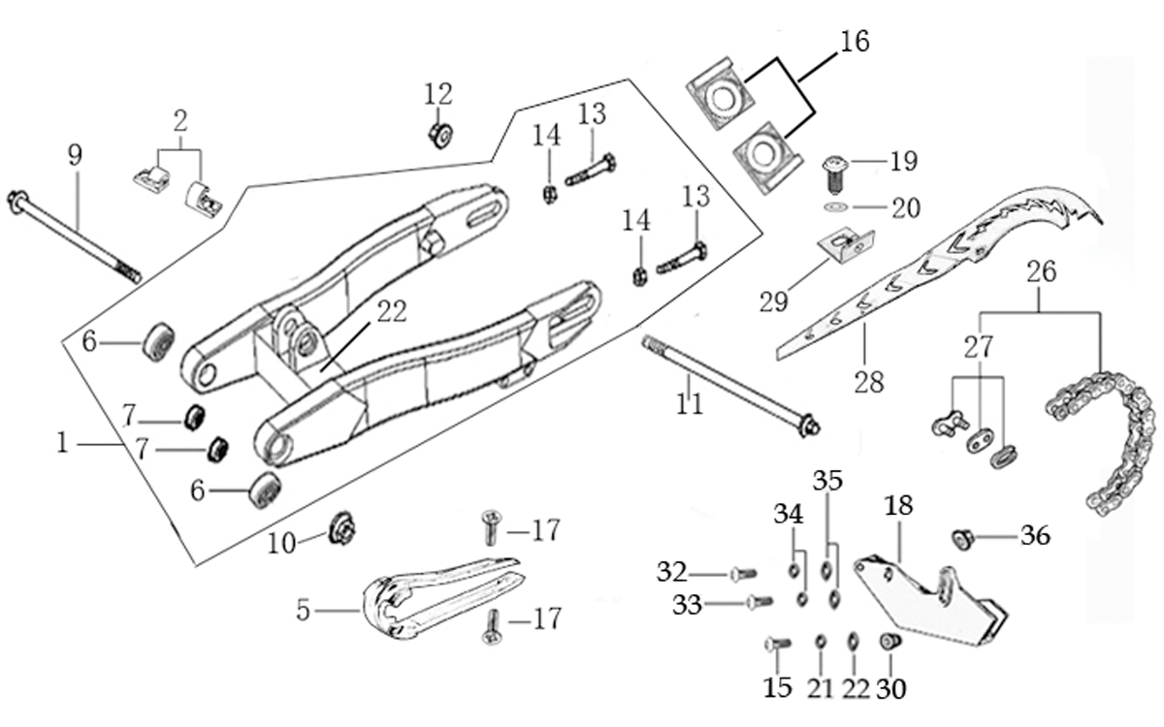
N° | Ref. | Description | Français | Picture | Qty/Bike | Model
1 | YC110-1001-27-BK | 2021 Mono swing arm Steel 420mm d 15 mm with front part weld FOR 310 mm SHOCK ABSORBER Black | Bras oscillant acier mono Acier 420mm 2021 d 15 mm avec fixation avant soudee POUR AMORTISSEUR 310 mm Noir |  | 1 | SM1902122
2 | YC110-1035-01-BK | Rear spool BLACK (only) | Diabolo NOIR (seul) |  | 2 | SM1902122
3 | GB70-M8x40 | Hex socket round head bolt M8x40mm | Boulon a tete ronde a six pans creux M8x40mm |  | 2 | ALL BIKES1322
4 | YC110-10-016-BK | Rear brake hose guide 2020 | Passe durite de frein arriere sur bras oscillant 2020 |  | 1 | ALL BIKES 22
5 | DIN7985-M6x16 | Screw M6x16mm for Rear brake hose guide | Vis M8x16mm pour Passe durite de bras oscillant |  | 5 | ALL BIKES 22
6 | YC110-10-025 | Chain slider YCF Aluminium swing arm 420mm PU | patin chaine YCF long pour Bras oscillent Aluninium YCF 420mm PU |  | 1 | P1252222/P1501522/SM1502222/SP11227/SP22022/SP31222/B1251722/B1501722/BF1501722/BFD1901722/BFZ1901822/S1471822/S1871822
7 | 6902-NTN | NTN 6902 Bearingfor swing arm d15mmxd28mmx7mm | Roulement bras oscillent NTN 6902 d15mmxd28mmx7mm |  | 4 | P1251822/P1501820/SM1501822/B1251820/B1501820/BF1501819/BFD1901820/BFZ1901822
8 | YC110-1007-10 | Central spacer swing arm Aluminium BIGY/PILOT d16mmxd20mmx149mm | Entretoise centrale de bras oscillent BIGY/PILOT d16mmxd20mmx149mm |  | 1 | P12522/P15022/SM15022/B12520/B15022/BFD19022/BFZ19020
9 | YC110-1009-01 | Swing arm shaft with self lock nut M15 L=240mm | Axe bras oscillant d10 avec ecrou M15 L=240mm |  | 1 | P1251822/P1501820/SM1501822/B1251820/B1501820/BFD1901820/BFZ1901822
...
18 | GB70-M6x20 | Stud screw M6x30mm for chain guide assy | vis M6x30mm pour guide chaine |  | 1 | W88E1822/S88SE1520/L881722/L1251622/S12522/S125SE1522/SM1251320/P1252222/P1501522/SM1502222/SP11117/SP22122/SP31122/B1251722/B1501722/BF1501722/BFD1901722/BFZ1901720/S1471822/S1871822
19 | GB70-M6x25 | Stud screw M6x25mm for chain guide assy | vis M6x25mm pour guide chaine |  | 1 | P1252222/P1501522/SM1502222/SP11117/SP22122/SP31122/B1251722/B1501722/BF1501722/BFD1901722/BFZ1901720/S1471822/S1871822
20 | GB6177-M6-W | Hex. Nut M6 for chain guide assy | ecrou tendeur chaine M6 pour guide chaine |  | 2 | P1252222/P1501522/SM1502222/SP11117/SP22122/SP31122/B1251722/B1501722/BF1501722/BFD1901722/BFZ1901720/S1471822/S1871822
21 | 420H-110T | Chain 420H-110T, normal | chaine 420 110 maillons standart |  | 1 | P1252222/P1501522/SM1502222
22 | AR-420 | Chain link H=17mm | Attache rapide chaine H=17mm |  | 1 | 50A1220/S88SE1420/L881320/L1251320/S125SE1522/S1251322/P1251420/P1501420/SM1251320/SM1501222/SP11317/B1251722/B1501722/S1471822
23 | YC110-1028-02 | Chain box protection | Protection chaine plastique |  | 1 | W88E1920/L881920/S88SE1920/L1251920/S125SE1920/S12522/P1251920/P1501920/SM1251920/SM1501920/SP22920/SP31920/B1251920/B1501920/BFD1901920/BFZ1901920/S1471920/S1871920
24 | BT08-M6x12-W | Hex.Bolt M6x12mm for Chain box protection | vis M6x12mm pour protection chaine plastique |  | 1 | ALL BIKES 22
25 | BT08-M6x16-W | Hex.Bolt M6x16mm for Chain box protection | vis M6x16mm pour protection chaine plastique |  | 1 | ALL BIKES 22

Rear Wheel Assy
 | 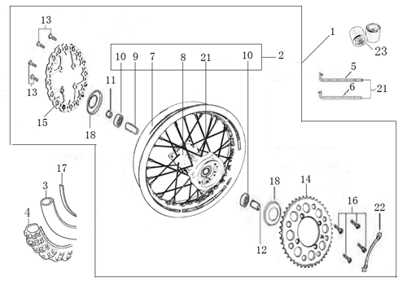
N° | Ref. | Description | Français | Picture | Qty/Bike | Model
1 | YC110-0626-02-BK | YCF supermoto wheel Rear 2.75x12' 2020 BLACK （without disk and sprocket) | Roue supermoto 2.75x12' arriere 2020 NOIR YCF （sans disque ni couronne） |  | 1 | SM12522/SM15022/SM19022
2 | TR413 | Inner tube valve Copper | Vanne à tube interne Cuivre |  | 1 | SM12522/SM15022/SM19022
3 | 120/70-12K702 | CARSLBAD Front tyre 120/70-12' KD | pneu 120/70-12' CARLSPAD KD |  | 1 | SM1251520/SM1502222/SM19022
4 | YC110-30 | Teflon SM | Tampon teflon pour axe avant / arriere SM |  | 2 | SM1252022/SM1502022/SM19022
5 | BT08-M6x20-W | Hex.Bolt M6x20mm for teflon pas fixation | Vis M6x20mm pour fixation tampon teflon |  | 2 | SM1251320/SM1501222
6 | YC110-06-042 | Front wheel spacer right d15mmxd22mmx23mm | Entretoise roue avant droite d15mmxd22mmx23mm |  | 1 | SM15022
7 | YC110-0609-11 | Rear wheel spacer left d15mmxd22mmx34mm | Entretoise roue arriere gauche d15mmxd22mmx34mm |  | 1 | SM15022
8 | YC110-11-06/45 | YCF Driven sprocket 420-45T (4 holes) | couronne acier 45T YCF (4 trous) |  | 1 | 50A1620/L1251622/S12522/S125S1619/S125SE1522/P1251620/P1501622/SM1251622/SM1501622
9 | YC110-11-03 | Sprocket Locking piece | block couronne |  | 2 | 50A1320/50E1620/W88E1822/L881722/S88SE1520/L1251622/S125SE1522/S12522/P1251322/P1501322/SM1251320
10 | GB5783-M8x25-W | Hex.Bolt M8x25mm for rear sprocket fixation | vis M8x25mm pour fixation couronne |  | 4 | 50A1320/50E1620/W88E1822/L881722/S88SE1520/L1251622/S125SE1522/S12522/P1251322/P1501322/SM1251320
11 | YC110-1115-06 | Rear disk d200mm d10.5mm 2020 | disque frein arriere d200mm d10.5mm 2020 |  | 1 | SM12522/15022/SM19022
12 | GB70.2-M8x25-4 | Hex. Bolt M8x25mm （STEP d9.8mmx3.5mm) | vis M8x25mm （STEP d9.8mmx3.5mm) |  | 4 | W88E1822/S88SE1622/L881722/L1251622/S125S1622/S125SE1522/S12522/P1251622/P1501622/SM1251622/SM1501622/SP11622/SP21622/SP31622/B1251722/B1501722/BF1501622/BFD1901722/BFZ1901822/S1471822/S1871822

REAR BRAKE
 |  | 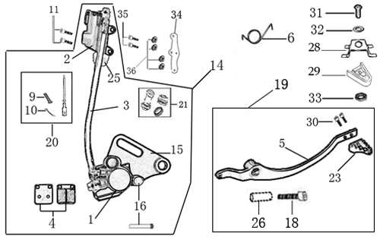
N° | Ref. | Description | Français | Picture | Qty/Bike | Model
1 | YC110-12012-08-BK | Rear brake aasy d10/10 L=465mm 2014 BLACK | Kit frein arriere d10/10 L=465mm 2014 NOIR |  | 1 | P12522/P15022/SM15022
2 | BT08-M6x20-W | Exterior Hex.Bolt M6x20mm for Rear reservoir | vis couronne M6x20mm pour fixation maitre cylindre frein arriere |  | 2 | W88E22/S88SE22/L8822/L12522/S125SE20/S12522/P12522/P15022/SM12522/SM15022/SP222/SP322/B12520/B15022/BFD19022/BFZ19020/S14720/S18722
3 | YC110-1201023 | Rear reservoir d 10mm | maitre cylindre frein arrière avec embout durite d 10mm |  | 1 | P88s22/P12522/P15015/SM15022/SPI15/SP222/SP322
4 | YC110-1202-04 | Rear reservoir puch stick L=95mm | Tige poussoir maitre cylindre L=95mm |  | 1 | SPI1315/SP22315/SP31315
5 | YC110-1201043 | Oil steel tube L=465mm d10/d10 | durite frein arrière L=465mm d10/d10 |  | 1 | P1251619/P1501619/SM1501619/SP11617
6 | YC110-1201-06-BK | Rear Caliper 1 pistons | KIT FREIN RADIAL ARRIERE |  | 1 | P88s22/P12522/P15015/SM15022/SPI15/SP222/SP322
7 | YC110-1204-01 | Rear Brake pads 2014 | JEU PLAQUETTE FREIN ARRIERE RADIAL 2014 |  | 1 | P88s22/P12522/P15015/SM15022/SPI15/SP222/SP316
8 | YC110-1210-06-SI | Rear brake bracket CNC 2014 SILVER | patte fiXation étrier frein arriere SILVER |  | 1 | P88s22/P12522/P15015/SM15022/SPI15/SP222/SP322
9 | YC110-1238 | rear brake reservoir protection | protege maitre cylindre arriere |  | 1 | P88s22/P12522/P15015/SM15022/SPI15/SP222/SP322
...
20 | YC110-36-01 | rubber fixing steel plate for brake pedal 2020 | plaque support tampon teflon pédale de frein 2020 |  | 1 | SM12522/SM15022
21 | YC110-3101 | rubber for brake pedal 2020 | Tampon téflon pédale frein 2020 |  | 1 | SM12522/SM15022
22 | GB818-M6x16-W | Plus screw M6x16mm | vis M6x16mm |  | 1 | SM1251222/SM1501222
23 | GB97-d6-W | flat washer d6mm | rondelle d6mm |  | 1 | SM1251222/SM1501222
24 | GB6170-M6-W | Nut M8 | ecrou M8 |  | 1 | SM1251222/SM1501222
25 | YC110-1215-06 | Mount for rear break reservoir "extern" | fixation maitre cylindre frein arriere "externe" |  | 1 | P1251720/P1501720/SM1501720/SP11719/SP22720/SP31720/B1251722/B1501722/BFD1901722/BFZ1901822/S1471822/S1871822
26 | BT08-M6x16-W | Hex.Bolt M6x16mm | vis M6x16mm |  | 2 | P12522/P15022/SM15022/SP222/SP322/B12520/B15022/BFD19022/BFZ19020/S14720/S18722
27 | BT08-M6x16-W | Hex. Bolt e M6x16mm for rear break reservoir fixation | vis M6x16mm pour fixation maitre cylindre frein arriere |  | 2 | P12522/P15022/SM15022/SP222/SP322/B12520/B15022/BFD19022/BFZ19020/S14720/S18722

Exhaust system
 |  | 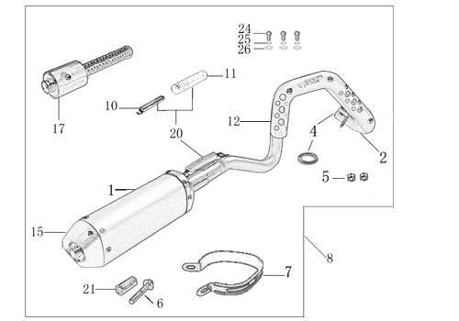
N° | Ref. | Description | Français | Picture | Qty/Bike | Model
1 | YC110-136-09-BK | Muffler& Exhaust pipe assy RACING 2022 Double Muffler PILOT F125 / F150 / SM F150 | Echapement Racing Complete YCF RACING 2022 Double PILOT F125 / F150 / SM F150 |  | 1 | SM19022
2 | YC110-13014-04-BK | Muffler RACING (2 springs) Black | silencieux YCF SP3 RACING Noir |  | 2 | SP222/SP322/BF15022/BFD19022/BFZ19022
3 | YC110-1317-02 | SPARK ARESTOR FOR RACING MUFFLER | BRIDE POUR SILENCIEUX RACING |  | 2 | SP222/SP322/BF15022/BFD19022/BFZ19022
4 | GB70-M5x6 | Plus screw M5x6mm for muffler end cap | vis M5x6mm pour Emout silencieux |  | 2 | SP22022/SP31222/BF1501722/BFD1901722/BFZ1901822/S1471822/S1871822
5 | YC110-13-35 | Muffler racing end cap | Embout silencieux racing |  | 2 | SP22022/SP31222/BF1501722/BFD1901722/BFZ1901822/S1471822/S1871822
6 | GB70-M5x20 | Plus screw M5x20mm for muffler end cap | vis M5x20mm pour Emout silencieux |  | 6 | SP22022/SP31222/BF1501722/BFD1901722/BFZ1901822/S1471822/S1871822
7 | GB93-d5 | Standard spring washer d5mm for muffler end cap | rondelle d5mm pour Embout silencieux |  | 8 | SP22022/SP31222/BF1501722/BFD1901722/BFZ1901822/S1471822/S1871822
8 | YC110-1302-22 | EXhaust pipe head for competition PILOT | Collecteur Racing YCF pour PILOT |  | 1 | S88S1226/S88SE1520/L881722/L1251622/S1251220/S125s1229/S125SE1522/P1251322/P1501220/SM1251222/SM1501222/B1251722/B1501722
9 | YC110-1302-23 | EXhaust pipe tail for competition PILOT (Double) | Partie Collecteur cote silencieux Twin Racing YCF pour PILOT |  | 1 | P1252222/P1501522/SM1502222
10 | 18291/152FMH | Exhaust pipe washer d25.5mmxd32mmx4mm | joint pot d25.5mmxd32mmx4mm |  | 1 | S88SE1520/L881722/L1251622/S125SE1522/S12522/S125S1229/P1251322/P1501220/SM1251222/SM1501222/SP11227/SP22022/SP31422/B1251722/B1501722/BF1501722/BFD1901722/BFZ1901822/S1471822/S1871822
11 | GB6187-M6-W | Self-locking Nut M6 for exhaust pipe fixation on engine | écrou M6 pour fixation du collecteur sur le moteur |  | 2 | S88SE1520/L881722/L1251622/S125SE1522/S12522/S125S1229/P1251322/P1501220/SM1251222/SM1501222/SP11227/SP22022/SP31422/B1251722/B1501722/BF1501722/BFD1901722/BFZ1901822/S1471822/S1871822
12 | YC110-1307-03 | Hoop for muffler YCF SPII/SPIII （with FB13-8x14x35-W 1EA+GB5787-M8x60-W 1EA） | Attache silencieux YCF SPII/SPIII (DROIT) |  | 2 | SP22022/SP32220/SM190
13 | BT08-M8x60-W | Hex.Bolt M8x60mm for protection fixation on exhaust | vis M8x60mm pour fixation de la grille sur le collecteur |  | 2 | SP222/SP322
14 | BT08-M6x16-W | Hex. Bolt e M6x16mm | vis M6x16mm |  | 4 | SP22022/SP31222/BF1501722/BFD1901722/BFZ1901822/S1471822/S1871822
15 | GB6177-M6-W | Hex. Flanged nut M6 | écrou M6 |  | 4 | SP22022/SP31222/BF1501722/BFD1901722/BFZ1901822/S1471822/S1871822
16 | YC110-1310-01 | muffler spring d.2mmxd.10mmx43mm | ressort pot d.2mmxd.10mmx43mm |  | 5 | SP31622/BFD1901722

Seat & Plastic kit
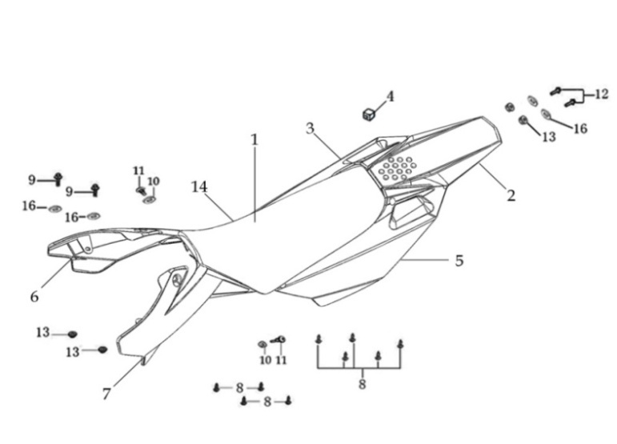
N° | Ref. | Description | Français | Picture | Qty/Bike | Model
1 | YC110-1401-17 | YCF Seat assy L=510mm | Sells SP L=510mm |  | 1 | P1251822/P1501820/SM1501822/SP22822/SP31820
2 | YC110-14-018-BK | YCF Rear fender 2016 BLACK with YC110-1404-01 2EA | Garde boue arrière YCF 2016 NOIR |  | 1 | P1251620/P1501622/SM1501622/SP11617/SP22620/SP31622
3 | YC110-14-028-BK | YCF right side plastic assy 2016 BLACK | Plaque latérale droite YCF 2016 NOIR |  | 1 | P1251620/P1501622/SM1501622/SP11617/SP22620/SP31622
4 | YC110-14-03 | Cushion for right side plastic | caoutchouc plaque laterale droite |  | 1 | ALL BIKES 1122
5 | YC110-14-048-BK | YCF left side plastic assy 2016 BLACK | Plaque laterale gauche YCF 2016 NOIR |  | 1 | P1251620/P1501622/SM1501622/SP11617/SP22620/SP31622
6 | GB819-M5x10-W | Plus screw M5x10mm | vis M5x10mm |  | 2 | P1251620/P1501622/SM1501622/SP11617/SP22620/SP31622/B1251722/B1501722/BF1501722/BFD1901722/BFZ1901822
7 | YC110-1404-01 | Cushion for side plastic d8.2mmxd20.2mmx9mm | caoutchouc plaque laterale d8.2mmxd20.2mmx9mm |  | 2 | P1251620/P1501622/SM1501622/SP11617/SP22620/SP31622/B1251722/B1501722/BF1501722/BFD1901722/BFZ1901822
8 | YC110-14-059-BK | Right shroud SP 2017 BLACK | ouie radiateur droite SP 2017 NOIR |  | 1 | W88E22/S88SE22/S125SE20/S12522/P1251822/P1501820/SM12522/SM1501822/SP117/SP22720/SP31720
9 | YC110-14-069-BK | Left side shroud SP2017 BLACK | ouie radiateur gauche SP2017 NOIR |  | 1 | W88E22/S88SE22/S125SE20/S12522/P1251822/P1501820/SM12522/SM1501822/SP117/SP22720/SP31720
...
12 | BT08-M6x20-W | Hex.Bolt M6x20mm for front shroud fixation | vis M6x20mm pour fixation partie avant ouie |  | 2 | ALL BIKES 22
13 | YC110-02-13 | Rubber washer d6mmxd14mmx3mm for shroud fixation on gas tank | joint caoutchouc d6mmxd14mmx3mm pour fixation des ouies sur le reservoir |  | 4 | ALL BIKES 1222
14 | FB5787-M5x12-W | hex. Bolt with flanged M5x12mm for shroud fixation on gas tank sides | vis M5x12mm pour fixation ouie sur reservoir cotes |  | 2 | ALL BIKES 1222
15 | GB96-d5-W | flat washer d5 for shroud fixation on gas tank sides | rondelle d6 pour fixation ouie sur reservoir cotes |  | 4 | ALL BIKES 1222
16 | GB6177-M6-W | Hex. Flanged nut M6 for front shroud fixation | Ecrou M6 pour fixation partie avant ouie |  | 2 | ALL BIKES 1222
17 | GB5787-M6x20-B | hex. Bolt with flanged M6x20mm BLACK for seat fixation on subframe | vis M6x20mm NOIR pour fixation selle sur boucle acier |  | 2 | ALL BIKES 1222
18 | YC110-03-01 | Rubber washer d6mmxd18mmx4mm for seat fixation on subframe | joint caoutchouc d6mmxd18mmx4mm pour fixation selle sur boucle acier |  | 4 | ALL BIKES 1222
19 | GB96-d6 | flat washer d6mm for seat fixation on subframe | rondelle d6mm pour fixation selle sur boucle acier |  | 4 | ALL BIKES 1222

ELECTRIC
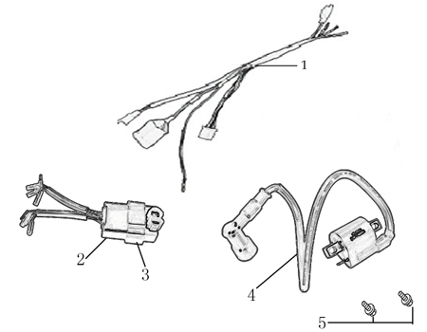
N° | Ref. | Description | Français | Picture | Qty/Bike | Model
1 | 86917 | WIRE HERNESS for ANIMA-FDx | FAISCEAU ELECTRIQUE |  | 1 | SP31322/BFD1901722/S1871822
20 | YC110-01-05-WH | Cable tie L= 350mm WHITE | collier maintien cable L=350mm BLANC |  | 1 | ALL BIKES 1222
2 | 86427 | BOX, CDI for FDX, FLX | CDI ANIMA 150/190 for FDX, FLX |  | 1 | SP31322/BFD1901722/S1871822
4 | 86426 | COIL, IGN ITION L=500mm | BOBINE D'ALLUMAGE L=500mm |  | 1 | SP31322/BFD1901722/S1871822
5 | BT08-M6x16-W | Hex.Bolt M6x16mm for ignitor coil fixation | vis M6x16mm pour fixation bobine haute |  | 2 | ALL BIKES 22

Frame
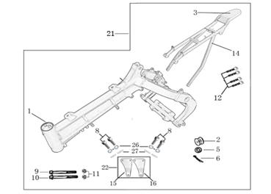
N° | Ref. | Description | Français | Picture | Qty/Bike | Model
1 | YC110-1621-0301-WH | complète frame PILOT F150 / SM F150 WHITE / Black pads 2020 | cadre complet PILOT F150 / SM F150 BLANC / Pattes Noires 2020 |  | 1 | P12522/P15022/SM15022/19022
2 | YC110-1601-0501-WH | PILOT / SM150 Chromoly steel frame (for fork 735mm) 2020 WHITE swing arm axle 15 mm | Cadre acier chromoly PILOT / SM150 (pour fourche 735mm) 2020 BLANC axe bras d15 mm |  | 1 | P12522/P15022/SM15022/19022
3 | YC110-01-08-BK | Cable tie tie ADJUSTABLE BLACK | Collier maintien cable AJUSTABLE NOIR |  | 3 | ALL BIKES 2022
4 | YC110-2201-02 | YCF Chain tensioner component Nylon 2020 | Roulette chaine YCF 2020 Nylon |  | 1 | S88SE22/L8822/L12522/S125SE20/S12522/P12522/P15022/SM12522/SM15022/SP222/SP322/B12520/B15022/BFD19022/BFZ1901720/
5 | 6900Z | Ball bearing 6900Z d10mmxd22mmx6mm for chain tensioner | 6900Z d10mmxd22mmx6mm pour roulette de chaine |  | 2 | ALL BIKES 1122
6 | GB97-d10-W | Flat washer d10mmxd17mmx2mm for Chain tensioner | rondelle d10mmxd17mmx2mm pour roulette chaine |  | 1 | ALL BIKES 1122
7 | GB91-d2x25-W | cotter pin d2.0x25mm for Chain tensioner | goupille d2.0x25mm pour roulette chaine |  | 1 | ALL BIKES 1322
8 | YC110-1614-26-BK | STEEL SUBFRAME part PILOT/SM150 2020 BLACK | Boucle arriere de cadre ACIER PILOT/SM150 2020 NOIR |  | 1 | P12522/P15022/SM15022
9 | YC110-1633-01 | Rubber plug for SUBFRAME part BIGY YCF | Caoutchouc embout arriere boucle arriere YCF |  | 1 | P1251822/P1501820/SM1501720/SP117/SP22720/B1251722/B1501722/BFD1901722/BFZ1901822/S1471822/S1871822
...

